Sheet1
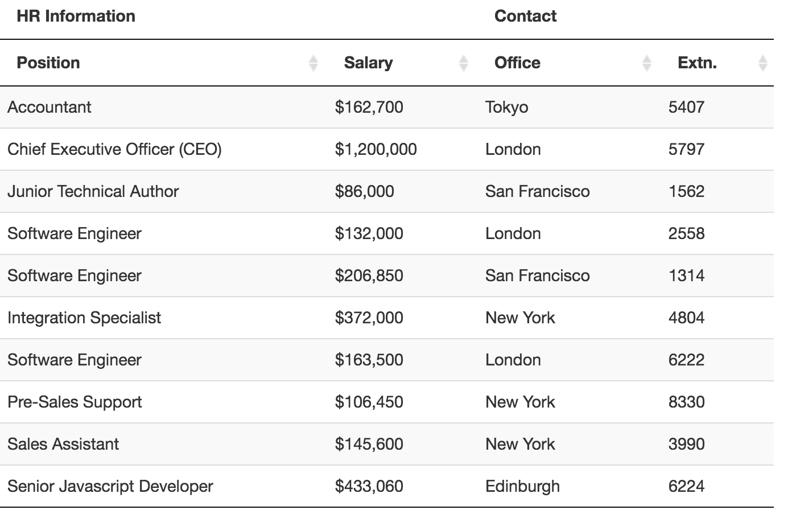
HR Information |  | Contact
Position | Salary | Office | Extn.
Accountant | 162,700 | Tokyo | 5407
Chief Executive Officer (CEO) | 1,200,000 | London | 5797
Junior Technical Author | 86,000 | San Francisco | 1562
Software Engineer | 132,000 | London | 2558
Software Engineer | 206,850 | San Francisco | 1314
Integration Specialist | 372,000 | New York | 4804
Software Engineer | 163,500 | London | 6222
Pre-Sales Support | 106,450 | New York | 8330
Sales Assistant | 145,600 | New York | 3990
Senior Javascript Developer | 433,060 | Edinburgh | 6224

Sheet2
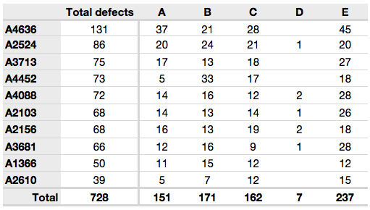
Code | Total defects | A | B | c | D | E
A4636 | 131 | 37 | 21 | 28 |  | 45
A2524 | 86 | 20 | 24 | 21 | 1 | 20
A3713 | 75 | 17 | 13 | 18 |  | 27
A4452 | 73 | 5 | 33 | 17 |  | 18
A4088 | 72 | 14 | 16 | 12 | 2 | 28
A2103 | 68 | 14 | 13 | 14 | 1 | 26
A2156 | 68 | 16 | 13 | 19 | 2 | 18
A3681 | 66 | 12 | 16 | 9 | 1 | 28
Al 366 | 50 | 11 | 15 | 12 |  | 12
A2610 | 39 | 5 | 7 | 12 |  | 15
Total | 728 | 151 | 171 | 162 | 7 | 237

